charts
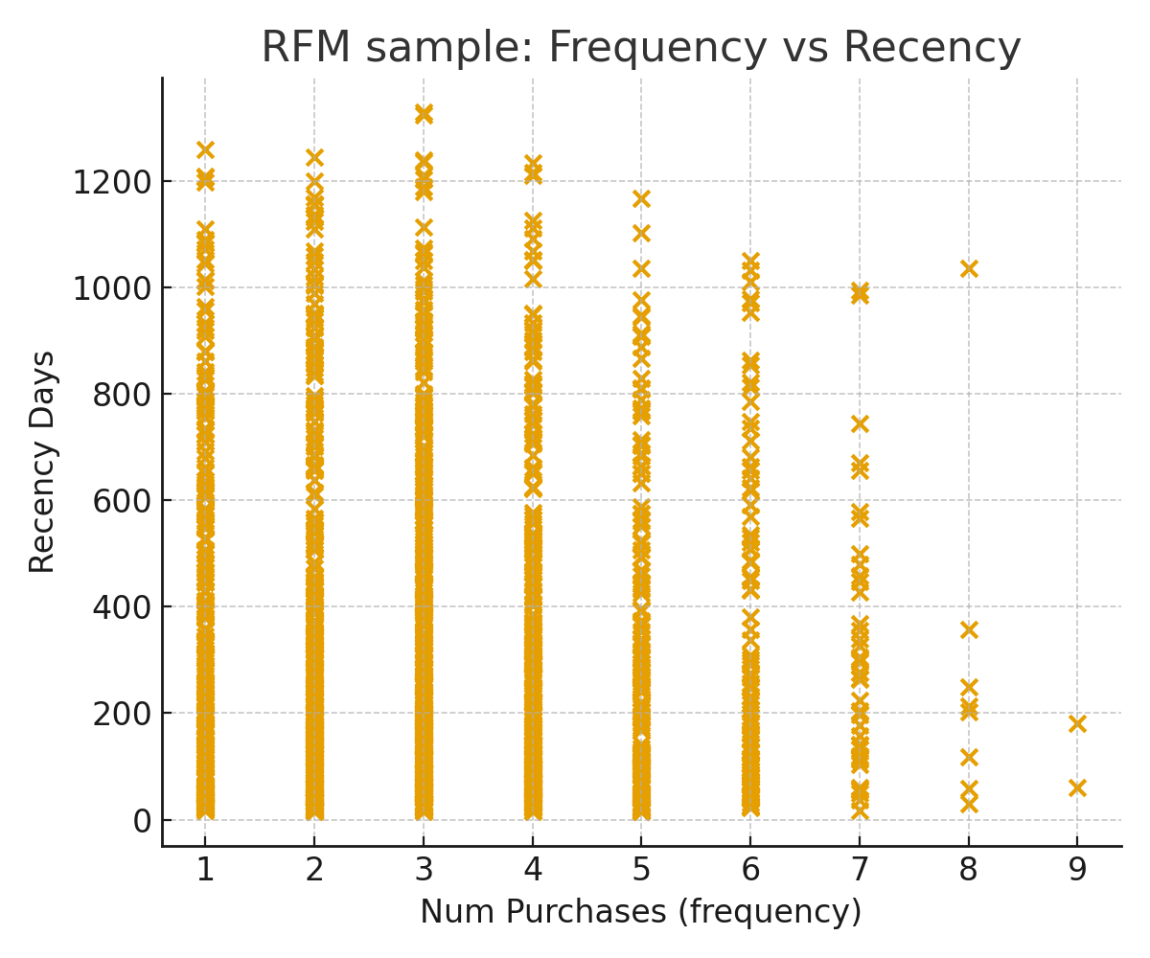
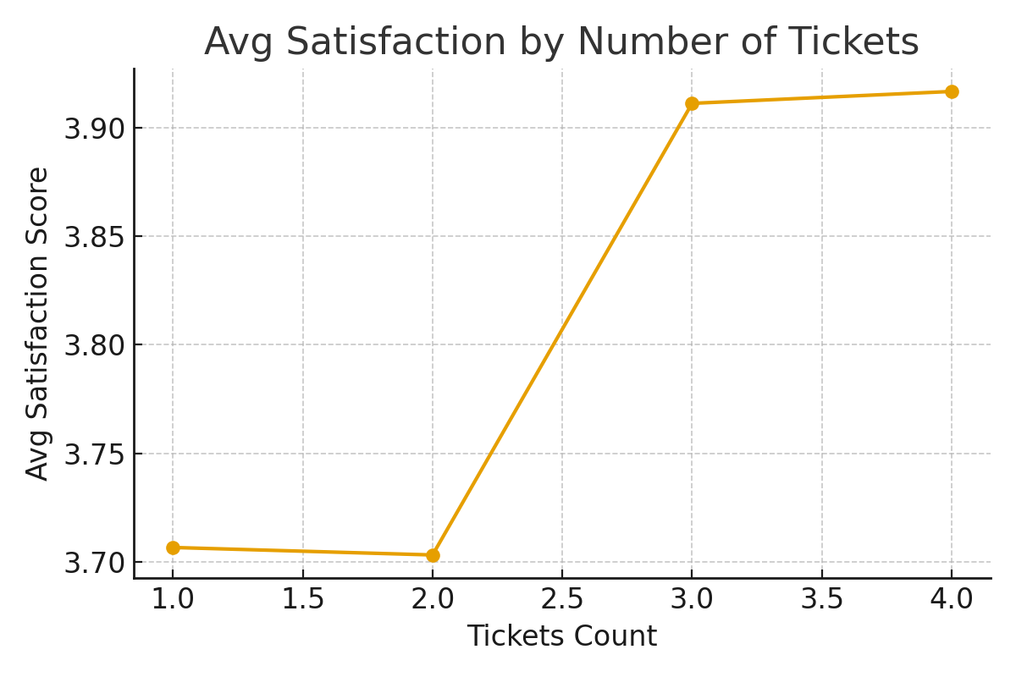
Churn Rate by Cohort

Churn Rate by Region

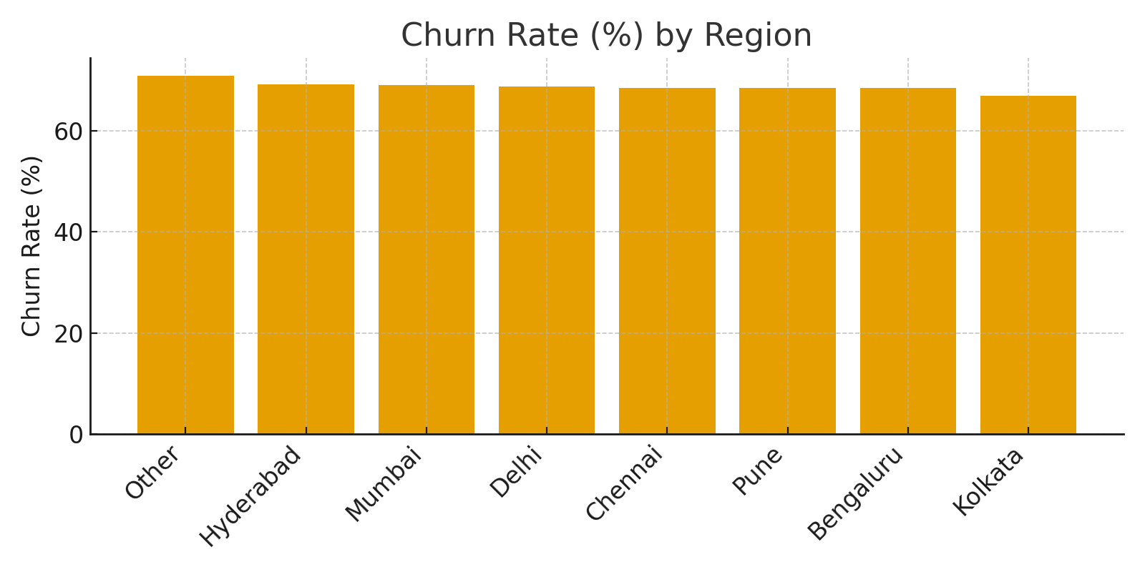

RFM Sample (Frequency vs Recency)
 | Avg Satisfaction by Number of Tickets

